Overview
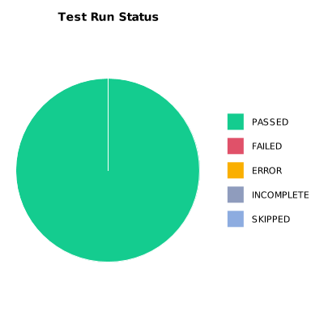
EXECUTION SUMMARY
Test Run ID | 1075
Status | PASSED
Organization | FIT@HCMUS
Team | First Team
Project | First Project
By | Tan Nguyen Phu
Start Time | 01/08/2024 17:57:57 +00:00
Duration | 0:02:00.929

TEST RESULTS
Total test results | 11
Passed | 11
Failed | 0
Error | 0
Incomplete | 0
Skipped | 0

